Gauge Field Check Worksheet

DG-700 and DG-1000 Field Check Worksheet

Todays Date:

Gauge to be Checked: Serial Number, Factory Calibration Date:

Reference Gauge Serial Number, Factory Calibration Date:

TEC (The Energy Conservatory) | Measurements |  |  | Difference |  | Requirement | Results
Gauge Field Check | REF Gauge | Field Check Gauge |  | Gauge - Ref (Pa) |  | 1% Agreement | Pass / Fail
Target Pressure | CH A (Pa) | CH A (Pa) | CH B (Pa) | CHA - REF | CHB - REF | Max Delta (Pa) | CH A | CH B
+500 Pa |  |  |  | 0.00 | 0.00 | 0 | PASS | PASS
+50 Pa |  |  |  | 0.00 | 0.00 | 0 | PASS | PASS
-50 Pa |  |  |  | 0.00 | 0.00 | 0 | PASS | PASS
-500 Pa |  |  |  | 0.00 | 0.00 | 0 | PASS | PASS

Field Check Process Overview

1. Fill in Information regarding Gauge being checked and reference gauge (Yellow Fields at Top).
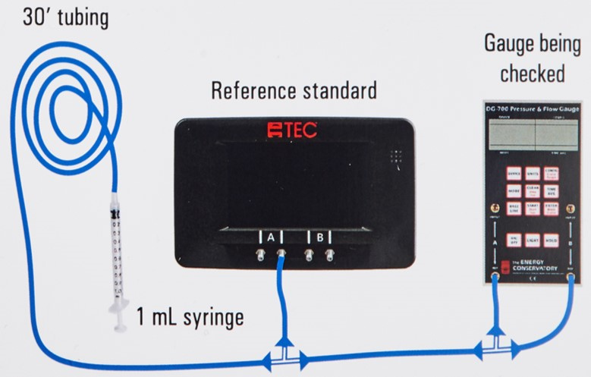
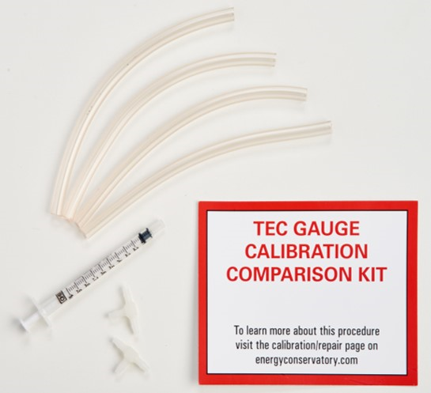
2. Make (or request from TEC) a "Gauge Calibration Comparison Kit, including:
Syringe as pressure source (1 ml)
25-30 feet of tubing to prevent over pressurizing
(2) “T's” to connect the tubing
(4) pieces of tubing cut into 6 inch lengths

3. Connect Reference and Gauge being checked as shown in the diagram to the right

4. Enter readings in yellow fields above to determine PASS/FAIL of Gauge
Sheet calculates 1% requirement in Pascals (Pa) based on reference gauge reading
PASS implies the gauges are reading within 1% of each other
FAIL means the gauges are not reading within 1% of each other, and may need to be factory calibrated

